Fish Index
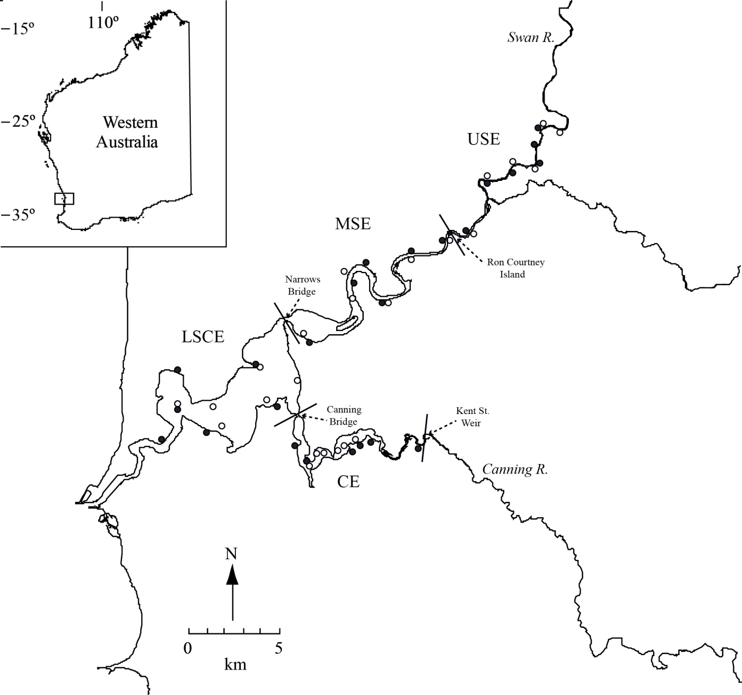
Zone | Site Code | Lat-Long (S, E) | Description
(a) – Nearshore
LSCE | LSCE3 | -32°01’29’’, 115°46’27’’ | Shoreline in front of vegetation on eastern side of Point Roe, Mosman Pk
 | LSCE4 | -31°59’26’’, 115°47’08’’ | Grassy shore in front of houses to east of Claremont Jetty
 | LSCE5 | -32°00’24’’, 115°46’52’’ | North side of Point Walter sandbar
 | LSCE6 | -32°01’06’’, 115°48’19’’ | Shore in front of bench on Attadale Reserve
 | LSCE7 | -32°00’11’’, 115°50’29’’ | Sandy bay below Point Heathcote
 | LSCE8 | -31°59’11’’, 115°49’40’’ | Eastern side of Pelican Point, immediately south of sailing club

CE | CE1 | -32°01’28’’, 115°51’16’’ | Sandy shore to south of Deepwater Point boat ramp
 | CE2 | -32°01’54’’, 115°51’33’’ | Sandy beach immediately to north of Mount Henry Bridge
 | CE5 | -32°01’40’’, 115°52’58’’ | Bay in Shelley Beach, adjacent to jetty
 | CE6 | -32°01’29’’, 115°53’11’’ | Small clearing in vegetation off North Riverton Drive
 | CE7 | -32°01’18’’, 115°53’43’’ | Sandy bay in front of bench, east of Wadjup Point
 | CE8 | -32°01’16’’, 115°55’14’’ | Sandy beach immediately downstream of Kent Street Weir

MSE | MSE2 | -31°58’12’’, 115°51’07’’ | Sandy beach on South Perth foreshore, west of Mends St Jetty
 | MSE4 | -31°56’34’’, 115°53’06’’ | Shoreline in front of Belmont racecourse, north of Windan Bridge
 | MSE5 | -31°56’13’’, 115°53’23’’ | Beach to west of jetty in front of Maylands Yacht Club
 | MSE6 | -31°57’13’’, 115°53’56’’ | Small beach upstream of Belmont Water Ski Area boat ramp
 | MSE7 | -31°55’53’’, 115°55’10’’ | Beach in front of scout hut, east of Garratt Road Bridge
 | MSE8 | -31°55’37’’, 115°56’18’’ | Vegetated shoreline, Claughton Reserve, upstream of boat ramp

USE | USE1 | -31°55’20’’, 115°57’03’’ | Small beach adjacent to jetty at Sandy Beach Reserve, Bassendean
 | USE3 | -31°53’43’’, 115°57’32’’ | Sandy bay opposite Bennett Brook, at Fishmarket Reserve, Guildford
 | USE4 | -31°53’28’’, 115°58’32’’ | Shoreline in front of Guildford Grammar stables, opposite Lilac Hill Park
 | USE5 | -31°53’13’’, 115°59’29’’ | Small, rocky beach after bend in river at Ray Marshall Park
 | USE6 | -31°52’41’’, 115°59’31’’ | Small beach with iron fence, in front of Caversham house
 | USE7 | -31°52’22’’, 115°59’39’’ | Sandy shore on bend in river, below house on hill, upstream of powerlines

(b) – Offshore
LSCE | LSCE1G | -32°00’24’’, 115°46’56’’ | In deeper water ca 100 m off north side of Point Walter sandbar
 | LSCE2G | -32°00’12’’, 115°48’07’’ | Alongside seawall west of Armstrong Spit, Dalkeith
 | LSCE3G | -32°01’00’’, 115°48’44’’ | Parallel to shoreline, running westwards from Beacon 45, Attadale
 | LSCE4G | -32°00’18’’, 115°50’01’’ | In deep water of Waylen Bay, from ca 50 m east of Applecross jetty
 | LSCE5G | -31°59’37’’, 115°51’09’’ | Perpendicular to Como Jetty, running northwards
 | LSCE6G | -31°59’12’’, 115°49’42’’ | Ca 20 m from, and parallel to, sandy shore on east side of Pelican Point

CE | CE1G | -32°01’58’’, 115°51’36’’ | Underneath Mount Henry Bridge, parallel to northern shoreline
 | CE2G | -32°01’48’’, 115°51’46’’ | Parallel to, and ca 20 m from, western shoreline of Aquinas Bay
 | CE3G | -32°01’49’’, 115°52’19’’ | To north of navigation markers, Aquinas Bay
 | CE4G | -32°01’48’’, 115°52’33’’ | Adjacent to Old Post Line (SW-ern end; Salter Point)
 | CE5G | -32°01’36’’, 115°52’52’’ | Adjacent to Old Post Line (NE-ern end; Prisoner Point)
 | CE6G | -32°01’20’’, 115°53’15’’ | Adjacent to Old Post Line, Shelley Water

MSE | MSE1G | -31°58’03’’, 115°51’03’’ | From jetty at Point Belches towards Mends St Jetty, Perth Water
 | MSE2G | -31°56’57’’, 115°53’05’’ | Downstream of Windan Bridge, parallel to Burswood shoreline
 | MSE3G | -31°56’22’’, 115°53’05’’ | Downstream from port marker, parallel to Joel Terrace, Maylands
 | MSE4G | -31°57’13’’, 115°54’12’’ | Parallel to shore from former boat shed jetty, Cracknell Park, Belmont
 | MSE5G | -31°55’57’’, 115°55’12’’ | Parallel to southern shoreline, upstream of Garratt Road Bridge
 | MSE6G | -31°55’23’’, 115°56’25’’ | Parallel to eastern bank at Garvey Pk, from south of Ron Courtney Island

USE | USE1G | -31°55’19’’, 115°57’09’’ | Parallel to tree-lined eastern bank, upstream of Sandy Beach Reserve
 | USE2G | -31°53’42’’, 115°57’40’’ | Along northern riverbank, running upstream from Bennett Brook
 | USE3G | -31°53’16’’, 115°58’42’’ | Along northern bank on bend in river, to north of Lilac Hill Park
 | USE4G | -31°53’17’’, 115°59’23’’ | Along southern bank, downstream from bend at Ray Marshall Pk
 | USE5G | -31°52’13’’, 115°59’40’’ | Running along northern bank, upstream from Sandalford winery jetty
 | USE6G | -31°52’13’’, 116°00’18’’ | Along southern shore adjacent to Midland Brickworks, from outflow pipe

